Tabelle1
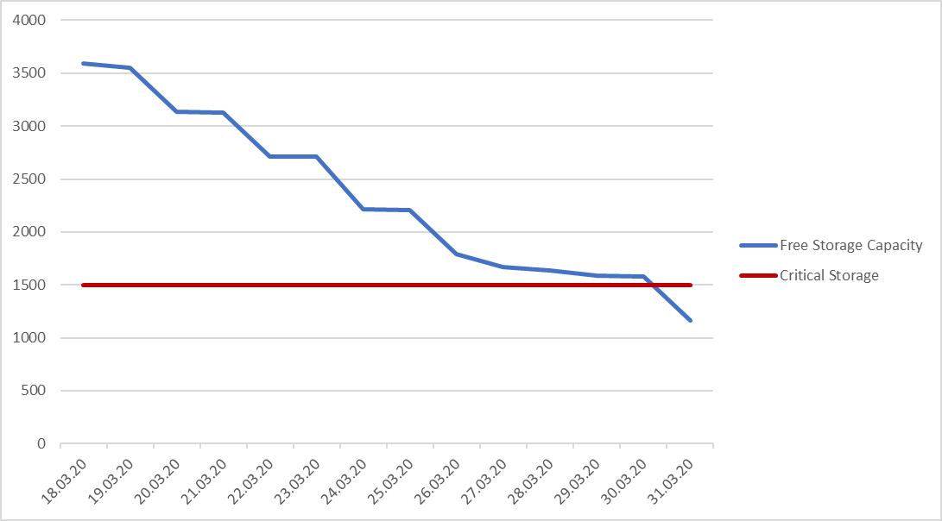
Date | Value | Free Storage Capacity | Critical Storage
2020-04-05 | 132 | 132 | 1500
2020-04-04 | 45 | 177 | 1500
2020-04-03 | 543 | 720 | 1500
2020-04-02 | 333 | 1053 | 1500
2020-04-01 | 66 | 1119 | 1500
2020-03-31 | 42 | 1161 | 1500
2020-03-30 | 421 | 1582 | 1500
2020-03-29 | 5 | 1587 | 1500
2020-03-28 | 52 | 1639 | 1500
2020-03-27 | 32 | 1671 | 1500
2020-03-26 | 123 | 1794 | 1500
2020-03-25 | 412 | 2206 | 1500
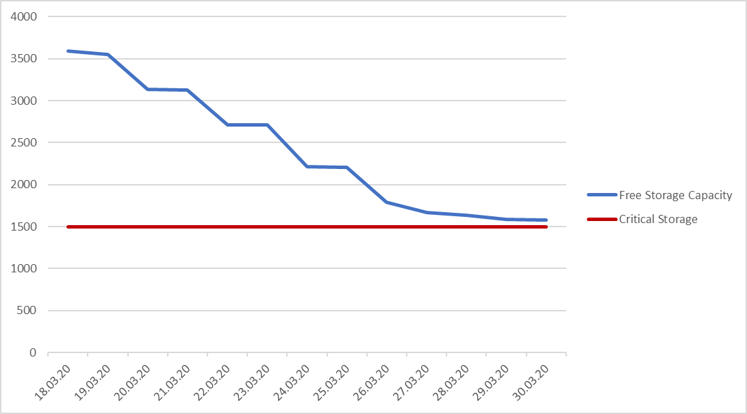
2020-03-24 | 5 | 2211 | 1500
2020-03-23 | 500 | 2711 | 1500
2020-03-22 | 1 | 2712 | 1500
2020-03-21 | 412 | 3124 | 1500
2020-03-20 | 12 | 3136 | 1500
2020-03-19 | 412 | 3548 | 1500
2020-03-18 | 45 | 3593 | 1500

Trigger | 1500

